Segment Wise Sales
Sum of Total_Sales | Column Labels
Row Labels | 2015 | 2016 | 2017 | 2018 | Grand Total
Consumer | 1370543.8 | 1404847.9 | 1617432.4 | 1723273.8 | 6116097.9
Corporate | 708707.8 | 697710.5 | 1032131.2 | 1193550.3 | 3632099.8
Home Office | 539013.8 | 381507.6 | 651986.8 | 768160 | 2340668.2
Grand Total | 2618265.4 | 2484066 | 3301550.4 | 3684984.1 | 12088865.9

Sub_Category
Sub_Category | Accessories

Row Labels | Sum of Total_Sales
Central | 20% | 80%
East | 26% | 74%
South | 17% | 83%
West | 36% | 64%
Grand Total | 100%

 |  | Central
 | 1 | 20%
 | 1 | 80%
 | 1
 | 1
 | 1
 | 1
 | 1
 | 1
 | 1
 | 1
 | 1
 | 1
 | 1
 | 1
 | 1
 | 1
 | 1
 | 1
 | 1
 | 1
 |  | East
 | 1 | 26%
 | 1 | 74%
 | 1
 | 1
 | 1
 | 1
 | 1
 | 1
 | 1
 | 1
 | 1
 | 1
 | 1
 | 1
 | 1
 | 1
 | 1
 | 1
 | 1
 | 1
 |  | South
 | 1 | 17%
 | 1 | 83%
 | 1
 | 1
 | 1
 | 1
 | 1
 | 1
 | 1
 | 1
 | 1
 | 1
 | 1
 | 1
 | 1
 | 1
 | 1
 | 1
 | 1
 | 1
 |  | West
 | 1 | 36%
 | 1 | 64%
 | 1
 | 1
 | 1
 | 1
 | 1
 | 1
 | 1
 | 1
 | 1
 | 1
 | 1
 | 1
 | 1
 | 1
 | 1
 | 1
 | 1
 | 1

Year Sales
Sum of Total_Sales | Column Labels
Row Labels | 2016 | 2015 | 2017 | 2018 | Grand Total
Furniture | 895921.7 | 821995.1 | 1091412.6 | 1201753.6 | 4011083
Office Supplies | 714742.9 | 825909.8 | 1057884.2 | 1239410.9 | 3837947.8
Technology | 873401.4 | 970360.5 | 1152253.6 | 1243819.6 | 4239835.1
Grand Total | 2484066 | 2618265.4 | 3301550.4 | 3684984.1 | 12088865.9

Yearly Sales

Regional Sales
Years | (All)

 | Column Labels
 | Sum of Total_Sales |  |  | Sum of Total_Sales2 |  |  | Total Sum of Total_Sales | Total Sum of Total_Sales2
Row Labels | Furniture | Office Supplies | Technology | Furniture | Office Supplies | Technology
Central | 867557.9 | 832896.1 | 877211.8 | 7.18% | 6.89% | 7.26% | 2577665.8 | 21.32%
East | 1114900.7 | 1127995.3 | 1274442.9 | 9.22% | 9.33% | 10.54% | 3517338.9 | 29.10%
South | 624973 | 705387.7 | 797240.5 | 5.17% | 5.84% | 6.59% | 2127601.2 | 17.60%
West | 1403651.4 | 1171668.7 | 1290939.9 | 11.61% | 9.69% | 10.68% | 3866260 | 31.98%
Grand Total | 4011083 | 3837947.8 | 4239835.1 | 33.18% | 31.75% | 35.07% | 12088865.9 | 100.00%

Regional Sales

Sales By Categories
Category | (All)

Sum of Total_Sales | Column Labels
Row Labels | 2015 | 2016 | 2017 | 2018 | Grand Total
Fasteners | 3982.2 | 3281.5 | 5370.5 | 5192.9 | 17827.1
Labels | 16618 | 14249.5 | 14821.6 | 20188.3 | 65877.4
Envelopes | 24361.2 | 23954.5 | 27310.4 | 17120 | 92746.1
Art | 30987.5 | 34906.7 | 31738.6 | 42592.4 | 140225.2
Supplies | 78360.2 | 11863.7 | 60121.3 | 109306.1 | 259651.3
Paper | 79692 | 75728.1 | 111441.4 | 148634.8 | 415496.3
Furnishings | 83391.9 | 107237.7 | 137911.6 | 150329.1 | 478870.3
Bookcases | 102831.1 | 186352.4 | 116807.3 | 155157.2 | 561148
Appliances | 100199.2 | 128221.6 | 139955.4 | 241987.8 | 610364
Copiers | 42239.1 | 159066.7 | 238916.7 | 231817.4 | 672039.9
Accessories | 132664.6 | 205577.6 | 236270.5 | 307233.4 | 881746.1
Machines | 422993 | 150494.6 | 258600.3 | 169656.7 | 1001744.6
Binders | 214795.3 | 177422.2 | 313061.9 | 334536.4 | 1039815.8
Tables | 199258 | 190363.7 | 352340 | 331263.2 | 1073224.9
Storage | 276914.2 | 245115.1 | 354063.1 | 319852.2 | 1195944.6
Phones | 372463.8 | 358262.5 | 418466.1 | 535112.1 | 1684304.5
Chairs | 436514.1 | 411967.9 | 484353.7 | 565004.1 | 1897839.8
Grand Total | 2618265.4 | 2484066 | 3301550.4 | 3684984.1 | 12088865.9

dashboard
2015
2016
2017
2018
IKEA Furniture Retails Sales Data Mangement :
 | Sum of Total_Sales - Furniture | Sum of Total_Sales - Office Supplies | Sum of Total_Sales - Technology | Sum of Total_Sales2 - Furniture | Sum of Total_Sales2 - Office Supplies | Sum of Total_Sales2 - Technology
Central | 867557.9 | 832896.1 | 877211.8 | 7.18% | 6.89% | 7.26%
East | 1114900.7 | 1127995.3 | 1274442.9 | 9.22% | 9.33% | 10.54%
South | 624973 | 705387.7 | 797240.5 | 5.17% | 5.84% | 6.59%
West | 1403651.4 | 1171668.7 | 1290939.9 | 11.61% | 9.69% | 10.68%
West Region
Central Region
Category Sales Year Wise
 | 2016 | 2015 | 2017 | 2018
Furniture | 895921.7 | 821995.1 | 1091412.6 | 1201753.6
Office Supplies | 714742.9 | 825909.8 | 1057884.2 | 1239410.9
Technology | 873401.4 | 970360.5 | 1152253.6 | 1243819.6
Segment Sales Year Wise
 | 2015 | 2016 | 2017 | 2018
Consumer | 1370543.8 | 1404847.9 | 1617432.4 | 1723273.8
Corporate | 708707.8 | 697710.5 | 1032131.2 | 1193550.3
Home Office | 539013.8 | 381507.6 | 651986.8 | 768160

Technology
Sub_Categories Sales Year Wise
 | 2015 | 2016 | 2017 | 2018
Fasteners | 3982.2 | 3281.5 | 5370.5 | 5192.9
Labels | 16618 | 14249.5 | 14821.6 | 20188.3
Envelopes | 24361.2 | 23954.5 | 27310.4 | 17120
Art | 30987.5 | 34906.7 | 31738.6 | 42592.4
Supplies | 78360.2 | 11863.7 | 60121.3 | 109306.1
Paper | 79692 | 75728.1 | 111441.4 | 148634.8
Furnishings | 83391.9 | 107237.7 | 137911.6 | 150329.1
Bookcases | 102831.1 | 186352.4 | 116807.3 | 155157.2
Appliances | 100199.2 | 128221.6 | 139955.4 | 241987.8
Copiers | 42239.1 | 159066.7 | 238916.7 | 231817.4
Accessories | 132664.6 | 205577.6 | 236270.5 | 307233.4
Machines | 422993 | 150494.6 | 258600.3 | 169656.7
Binders | 214795.3 | 177422.2 | 313061.9 | 334536.4
Tables | 199258 | 190363.7 | 352340 | 331263.2
Storage | 276914.2 | 245115.1 | 354063.1 | 319852.2
Phones | 372463.8 | 358262.5 | 418466.1 | 535112.1
Chairs | 436514.1 | 411967.9 | 484353.7 | 565004.1

 | Yearly Sales Total and Trend by Regions
 | Regions | 2015 | 2016 | 2017 | 2018
 | Central
 | East
 | South
 | West
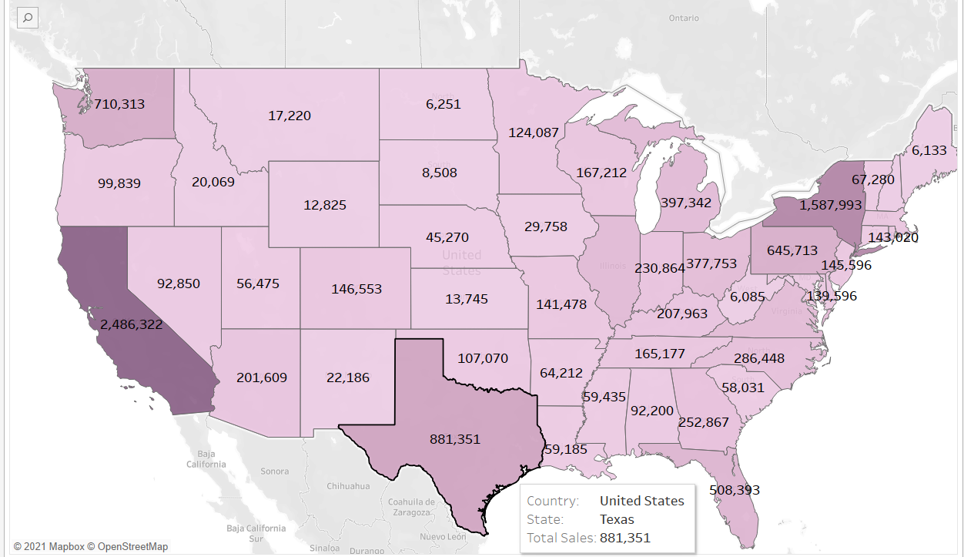

 |  | Central
 | 1 | 20%
 | 1 | 80%
 | 1
 | 1
 | 1
 | 1
 | 1
 | 1
 | 1
 | 1
 | 1
 | 1
 | 1
 | 1
 | 1
 | 1
 | 1
 | 1
 | 1
 | 1
 |  | East
 | 1 | 26%
 | 1 | 74%
 | 1
 | 1
 | 1
 | 1
 | 1
 | 1
 | 1
 | 1
 | 1
 | 1
 | 1
 | 1
 | 1
 | 1
 | 1
 | 1
 | 1
 | 1
 |  | South
 | 1 | 17%
 | 1 | 83%
 | 1
 | 1
 | 1
 | 1
 | 1
 | 1
 | 1
 | 1
 | 1
 | 1
 | 1
 | 1
 | 1
 | 1
 | 1
 | 1
 | 1
 | 1
 |  | West
 | 1 | 36%
 | 1 | 64%
 | 1
 | 1
 | 1
 | 1
 | 1
 | 1
 | 1
 | 1
 | 1
 | 1
 | 1
 | 1
 | 1
 | 1
 | 1
 | 1
 | 1
 | 1

2015
2016
2017
2018

